Request
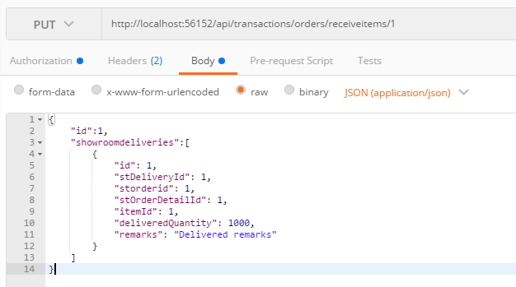
Parameter | Data Type | Length | Required | Unique | Remarks
Token | String |  | Yes |  | Bearer Token see AuthenticateAPI docu
Id | Int |  | Yes |  | STOrder.Id
ShowroomDeliveries | Array |  | Yes
Id | Int |  | Yes |  | STShowroomDelivery.Id
STDeliveryId | Int |  | Yes |  | STDelivery.Id
STOrderId | Int |  | Yes |  | STOrder.Id
STOrderDetailId | Int |  | Yes |  | STOrderDetail.Id
ItemId | Int |  | Yes |  | Item.Id
DeliveredQuantity | Int |  | Yes
Remarks | String

Example

Response
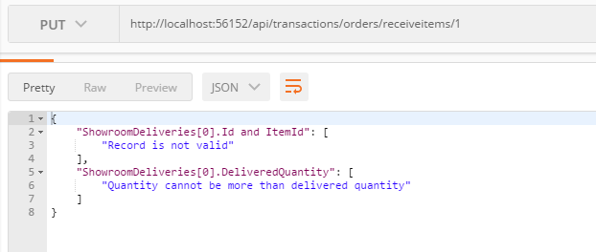
With error

